Sheet1
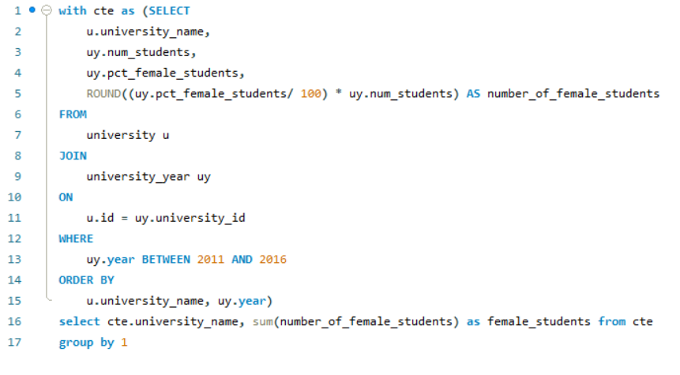
How does the number of female students differ among universities?

Sheet2
university_name | female_students
Harvard University | 0
Massachusetts Institute of Technology | 24582
Stanford University | 39300
University of Cambridge | 51924
California Institute of Technology | 4440
Princeton University | 21408
University of Oxford | 54978
Yale University | 35256
Columbia University | 0
University of California, Berkeley | 108558
University of Chicago | 35838
Cornell University | 61704
University of Pennsylvania | 62352
University of Tokyo | 0
Johns Hopkins University | 45384
Kyoto University | 0
University of California, Los Angeles | 119202
University of California, San Diego | 65360
Hebrew University of Jerusalem | 38748
New York University | 138786
Duke University | 44604
Imperial College London | 33432
University of Texas at Austin | 126040
University College London | 89400
Osaka University | 35875
Northwestern University | 52800
University of Toronto | 0
University of North Carolina at Chapel Hill | 92280
University of Utah | 57765
University of California, Santa Barbara | 57250
McGill University | 105258
Carnegie Mellon University | 27810
University of Southern California | 113988
University of California, Davis | 95485
University of Colorado Boulder | 65980
University of California, Irvine | 69195
University of Arizona | 113658
University of Rochester | 18404
University of Florida | 108204
Tel Aviv University | 0
Rice University | 13935
Dartmouth College | 14520
Vanderbilt University | 37944
University of Edinburgh | 89694
ÃƒÆ’Ã¢â‚¬Â°cole Polytechnique | 2185
Boston University | 86268
University of Geneva | 47785
Brown University | 0
University of British Columbia | 162492
University of Maryland, College Park | 90234
Karolinska Institute | 27210
Seoul National University | 0
University of Manchester | 90840
Case Western Reserve University | 22220
Tohoku University | 21500
Arizona State University | 249708
Emory University | 34545
University of Virginia | 74394
Leiden University | 75126
Tufts University | 28105
Georgia Institute of Technology | 37140
University of Zurich | 75760
University of Helsinki | 77565
Technical University of Munich | 70416
University of Oslo | 0
University of Copenhagen | 92275
University of Sydney | 119325
University of Nottingham | 97668
University of Bristol | 56940
Utrecht University | 108960
Mines ParisTech | 359
National University of Singapore | 92880
Stony Brook University | 54770
Lomonosov Moscow State University | 13253
Australian National University | 45564
University of Alberta | 119784
Peking University | 0
University of Notre Dame | 31230
National Taiwan University | 62185
Tsinghua University | 63620
Tokyo Institute of Technology | 6230
University of Melbourne | 132420
University of Bonn | 71444
Erasmus University Rotterdam | 59268
Yonsei University | 0
Michigan State University | 114115
Lund University | 0
Georgetown University | 40830
Aarhus University | 64515
University of Barcelona | 58888
University of Amsterdam | 78132
Uppsala University | 86412
University of Iowa | 71570
University of Groningen | 76614
Korea Advanced Institute of Science and Technology (KAIST) | 10830
Radboud University Nijmegen | 41096
University of SÃƒÆ’Ã‚Â£o Paulo | 78146
University of Montreal | 87240
Ghent University | 110010
University of Glasgow | 64455
University of Miami | 30572
UniversitÃƒÆ’Ã‚Â© libre de Bruxelles | 12862
McMaster University | 50504
University of Birmingham | 81954
University of Texas at Dallas | 14350
VU University Amsterdam | 78222
Wake Forest University | 14944
University of Southampton | 55450
Nanyang Technological University | 72078
University of New South Wales | 90025
University of Leeds | 80340
University of Basel | 33890
University of Hong Kong | 52565
Humboldt University of Berlin | 0
Free University of Berlin | 95880
University of TÃƒÆ’Ã‚Â¼bingen | 65720
Goethe University Frankfurt | 57351
University of California, Santa Cruz | 46120
University of GÃƒÆ’Ã‚Â¶ttingen | 65230
Monash University | 170964
Yeshiva University | 17895
University of Cincinnati | 19498
University of Sheffield | 69936
George Washington University | 57515
Iowa State University | 65980
Pohang University of Science and Technology | 3666
Stockholm University | 98315
Fudan University | 16088
University of Sussex | 38886
UniversitÃƒÆ’Ã‚Â© catholique de Louvain | 62328
University of Lausanne | 0
Technical University of Denmark | 13485
University of Cologne | 25968
University of Bern | 31768
Chinese University of Hong Kong | 37980
University of Vienna | 139296
Zhejiang University | 19478
University of Liverpool | 58704
University of Ottawa | 88160
Queen Mary University of London | 44490
Karlsruhe Institute of Technology | 32880
Nanjing University | 13682
University of Illinois at Chicago | 51544
Joseph Fourier University | 0
University of California, Riverside | 52595
University of Western Australia | 52130
Newcastle University | 40348
Brandeis University | 9066
RWTH Aachen University | 58770
Rensselaer Polytechnic Institute | 8004
University of Delaware | 53935
Maastricht University | 35004
University of Dundee | 20931
Autonomous University of Barcelona | 18017
Drexel University | 9942
University of Leicester | 31408
Durham University | 50184
University of Cape Town | 53105
University College Dublin | 0
University of Science and Technology of China | 0
University of Auckland | 80425
Delft University of Technology | 20695
University of Aberdeen | 34935
University of Waterloo | 13827
Dalhousie University | 8285
University of Reading | 19884
Hong Kong University of Science and Technology | 0
Sun Yat-sen University | 26189
University of Bergen | 13948
Northeastern University | 18540
University of St Andrews | 28014
University of Warwick | 44470
University of Innsbruck | 9833
University of Antwerp | 20742
Boston College | 35685
University of Adelaide | 29910
University of East Anglia | 43475
Eindhoven University of Technology | 7765
University of Exeter | 57528
Colorado School of Mines | 4125
City University of Hong Kong | 15324
University of Victoria | 29535
Hong Kong Polytechnic University | 11253
Scuola Normale Superiore di Pisa | 258
Simon Fraser University | 14652
Middle East Technical University | 22686
National Chiao Tung University | 3414
National Tsing Hua University | 3373
Pompeu Fabra University | 25728
University of Twente | 9812
Syracuse University | 10813
Lancaster University | 35916
ÃƒÆ’Ã¢â‚¬Â°cole normale supÃƒÆ’Ã‚Â©rieure de Lyon | 5435
University of Konstanz | 17706
Royal Holloway, University of London | 29916
Kent State University | 13411
University of Trento | 8589
Birkbeck, University of London | 15600
Hong Kong Baptist University | 6369

